1. Title Page
[Project Name]

Project Name: Instacart Grrocery Basket Analysis
Date: 24-07-2014
Analyst Name: Srilatha.K

Contents:
Population Flow
Consistency checks
Wrangling steps
Column derivations
Visualizations
Recommendations

Data Source:
“The Instacart Online Grocery Shopping Dataset 2017”, Accessed from https://www.instacart.com/datasets/grocery-shopping-2017 on November 10, 2022.
Customer data and the “prices” column in the products data set were fabricated for the purpose of this course.

2. Population Flow
 | Title page

Population flow

Exclusion flag
Condition: max_order < 5
Obervations to be removed: 1,440,295
Final total count of order_products_all: 32,404,859

Orders_products_combined
Orders_products_merged
Orders_products_all

Total:32,404,859
Total:
Total: 2,404,859
32,434,489

1.) The grey boxes in the first row of the population flow represent the original data sets as they were when you downloaded them. In the Total fields you need to add the count of the rows when you imported the data set into Jupyter.
2.) The second row of boxes (coloured) represents the data sets after you manipulated them, e.g., removed missing values and duplicates. In the Total fields you need to add the count of the rows after conducting these operations. This offers a visual oveview of how the data flows throughout the data consistency checks.
3.) The third row, where also the arrows are coloured, represents the merges you performed between the datasets. In the Total fields you need to add the count of the rows in the merged datasets, so that you end up with the final dataset (in the red box). Keep in mind the final dataset should be without exclusions (based on the exclusion flag).

3. Consistency checks
Consistency checks

Dataset | Missing values | Missing values treatment | Duplicates
orders | days_since_prior_order (206,209 missing values) | To address the missing values in the `days_since_prior_order` column, I have use the method of imputing these missing values with a placeholder indicating first orders. Specifically, I'll use `-1` as the placeholder. - # If the missing values are indeed for first orders, they are imputed with a placeholder value of `-1`. This value is chosen because it clearly indicates that there was no prior order, distinguishing these entries from valid numerical data. # - Using `-1` avoids confusion with any actual number of days and maintains the integrity of the dataset. | No duplicates
products | product_name has 16 missing values | Missing values were exported into its own database (df_nan). | 5 duplicates were found and dropped in df_prods_clean_no_dups dataframe.
orders_products_prior | None | Not Available | No Duplicates found
customers | first_name (11,259 missing values) | First names and last names should be removed due to PII risk. Date_joined should be removed because it is not necessary. | No duplicates

4. Wrangling steps
Wrangling steps

Data set | Columns dropped | Columns renamed | Columns' type changed | Comment/Reason
orders | eval_set |  |  | not necessary for analysis
 |  | orders_dow |  | ambiguous column name, changed to orders_day_of_week
 |  |  | order_id | changed to string
 |  |  | user_id | changed to string
department |  | index |  | transposed dataset and added an index and new header
customers |  | FIRST_NAME |  | Changed to First_name for consistency
 |  | surnam |  | Change to Last_name for consistency
 |  | STATE |  | Changed to state for consistency
 |  | date_joined |  | Changed to Date_joined for consistency
 |  | n_dependants |  | Changed to number_of_dependents for consistency
 |  | fam_status |  | Changed to marital_status for consistency
 |  | income |  | Changed to Income for consistency

5. Column derivations
Column derivations and aggregations

Data set | New column | Column/s it was derived from | Conditions | Code
orders_products_merged.pkl | price_label | prices | If price <=5, then low-range product. If else price > 5 and <= 15, then mid-range product. If else price > 15, then high-range product. | def price_label(row): if row['prices'] <= 5: return 'Low-range product' elif (row['prices'] > 5) and (row['prices'] <= 15): return 'Mid-range product' elif row['prices'] > 15: return 'High range' else: return 'Not enough data'
 | busiest_day | orders_day_of_week | If day 0 then busiest day. If day 4 then least busy day. If else, then regularly busy. | result = [] for value in df_ords_prods_merge["orders_day_of_week"]: if value == 0: result.append("Busiest day") elif value == 4: result.append("Least busy") else: result.append("Regularly busy")
 | busiest_days | orders_day_of_week | If day 0 or 1 then busiest days. If day 4 or 3 then slowest days. If else, then regularly busy days. | result_2 = [] for value in df_ords_prods_merge["orders_day_of_week"]: if value == 0 or value == 1: result_2.append("Busiest days") elif value == 4 or value == 3: result_2.append("Slowest days") else: result_2.append("Regularly busy")
 | busiest_period_of_day | order_hour_of_day | If hour of day < list_quantile[2] then fewest orders. If else hour of day >= list_quantile[2] and <=list_quantile [1] then average orders. If else hour of day >=list_quantile [1] then most orders. | result_3 = [] for value in df_ords_prods_merge["order_hour_of_day"]: if value in [10, 11, 14, 15, 13, 12, 16, 9]: result_3.append("Most orders") elif value in [23, 6, 0, 1, 5, 2, 4, 3]: result_3.append("Fewest orders") else: result_3.append("Average orders")
orders_products_combined_merged_new_variables_derived.pkl' | max_order | user_id , order_number | Maximum number of orders | ords_prods_merge['max_order'] = ords_prods_merge.groupby(['user_id'])['order_number'].transform('max')
 | loyalty_flag | max_order | If max_order > 40 then loyal customer. If max order <=40 and > 10 then regular customer. If max order <= 10 then new customer. | ords_prods_merge.loc[ords_prods_merge['max_order'] > 40, 'loyalty_flag'] = 'Loyal customer' ords_prods_merge.loc[(ords_prods_merge['max_order'] <= 40) & (ords_prods_merge['max_order'] >10), 'loyalty_flag'] = 'Regular customer' ords_prods_merge.loc[ords_prods_merge['max_order'] <= 10, 'loyalty_flag'] = 'New customer'
ords_prods_grouped.pkl')) | average_spend | user_id , prices | Average prices of products ordered by user | ords_prods_merge['average_spend'] = ords_prods_merge.groupby(['user_id'])['prices'].transform('mean')
 | spender_flag | average_spend | If avg price < 10 then low spender. If avg price >=10 then high spender. | ords_prods_merge.loc[ords_prods_merge['average_spend']<10,'spender_flag']='Low_spender' ords_prods_merge.loc[ords_prods_merge['average_spend']>= 10, 'spender_flag'] = 'High_spender'
 | customer_frequency | user_id , days_since_prior_order | Median number of days since prior order | ords_prods_merge['customer_frequency'] = ords_prods_merge.groupby(['user_id'])['days_since_prior_order'].transform('median')
 | frequency_flag | customer_frequency | If median_days_since_prior_order > 20, then non frequent customer. If median_days_since_prior_order <=20 and >10, then regular customer. If median_days_since_prior_order <=10 then frequent customer. | ords_prods_merge.loc[ords_prods_merge['customer_frequency'] > 20, 'frequency_flag'] = 'Non-frequent customer' ords_prods_merge.loc[(ords_prods_merge['customer_frequency'] > 10) & (ords_prods_merge['customer_frequency'] <=20), 'frequency_flag'] = 'Regular customer' ords_prods_merge.loc[ords_prods_merge['customer_frequency'] <= 10, 'frequency_flag'] = 'Frequent customer'
insta_final.pkl | region | state | Northeast=['Maine','New Hampshire','Vermont','Massachusetts','Rhode Island','Connecticut','New York','Pennsylvania','New Jersey'] Midwest=['Wisconsin','Michigan','Illinois','Indiana','Ohio','North Dakota','South Dakota','Nebraska','Kansas','Minnesota','Iowa','Missouri'] South=['Delaware','Maryland','District of Columbia','Virginia','West Virginia','North Carolina','South Carolina','Georgia','Florida','Kentucky', 'Tennessee','Mississippi','Alabama','Oklahoma','Texas','Arkansas','Louisiana'] West=['Idaho','Montana','Wyoming','Nevada','Utah','Colorado','Arizona','New Mexico','Alaska','Washington','Oregon','California','Hawaii'] | instacart.loc[instacart['State'].isin(northeast_region), 'region'] = 'Northeast' instacart.loc[instacart['State'].isin(midwest_region), 'region'] = 'Midwest' instacart.loc[instacart['State'].isin(south_region), 'region'] = 'South' instacart.loc[instacart['State'].isin(west_region), 'region'] = 'West'
 | activity | max_order | If max_order <5, then activity low. If max_order > = 5, then activity high. | instacart.loc[df['max_order']<5, 'activity']='low' instacart.loc[df['max_order']>=5, 'activity']='high'
 | age_group | age | If age <=25 then young adult. If age>25 & <45then adult, if age >= 45 &<65 then Older adult. If age >=65 then senior. | instacart.loc[instacart['Age']<=25, 'age_group']='Young Adult' instacart.loc[(instacart['Age']>25)&(instacart['Age']<45), 'age_group']='Adult' instacart.loc[(instacart['Age']>=45)&(instacart['Age']<65), 'age_group']='Older Adult' instacart.loc[instacart['Age']>=65, 'age_group']='Senior'
 | Income_group | income | If income <=50000 then low . If income >=50000 and income <= 100000 then middle . If income >=100000 then high . | instacart.loc[instacart['Income'] <= 50000, 'Income_group'] = 'Low' instacart.loc[(instacart['Income'] > 50000) & (instacart['Income'] <= 100000), 'Income_group'] = 'Middle' instacart.loc[instacart['Income'] > 100000, 'Income_group'] = 'High'
 | dependent_group | number_of_dependents | If number of dependents > 0, then has dependents. If number of dependents =0 then no dependents. | instacart.loc[instacart['number_of_dependants'] > 0, 'dependants_flag'] = 'Has instacart.loc[instacart['number_of_dependants'] == 0, 'dependants_flag'] = 'No Dependants'
 | department | department_id | data dictionary from departments_wrangled | 1: 'frozen', 2: 'other', 3: 'bakery', 4: 'produce', 5: 'alcohol', 6: 'international', 7: 'beverages', 8: 'pets', 9: 'dry goods pasta', 10: 'bulk', 11: 'personal care', 12: 'meat seafood', 13: 'pantry', 14: 'breakfast', 15: 'canned goods', 16: 'dairy eggs', 17: 'household', 18: 'babies', 19: 'snacks', 20: 'deli', 21: 'missing'

6. Visualizations
 |  |  |  |  |  | Title page

Visualisations

1 | The sales team needs to know what the busiest days of the week and hours of the day are (i.e., the days and times with the most orders) in order to schedule ads at times when there are fewer orders.

 | Number of orders by day of week |  |  |  |  |  | Frequency of customer by hour of the day



 |  |  | Legend

 |  |  | # | Day
 |  |  | 0 | Saturday
 |  |  | 1 | Sunday
 |  |  | 2 | Monday
 |  |  | 3 | Tuesday
 |  |  | 4 | Wednesday
 |  |  | 5 | Thursday
 |  |  | 6 | Friday

 |  |  | The busiest days of the week are saturdays and sundays between 8 am to 4pm. Least busy day is Wednesday .

2. They also want to know whether there are particular times of the day when people spend the most money, as this might inform the type of products they advertise at these times

 | Prices by order hour of the day

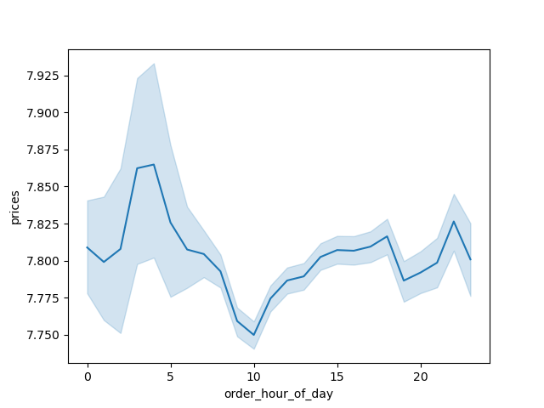

 |  |  |  | Instacart customers spend more money from 9 am to 4pm. And particularly during morning hours. So, instacart should make use of peak times to promote their products.

3 | Are there certain types of products that are more popular than others? The marketing and sales teams want to know which departments have the highest frequency of product orders.
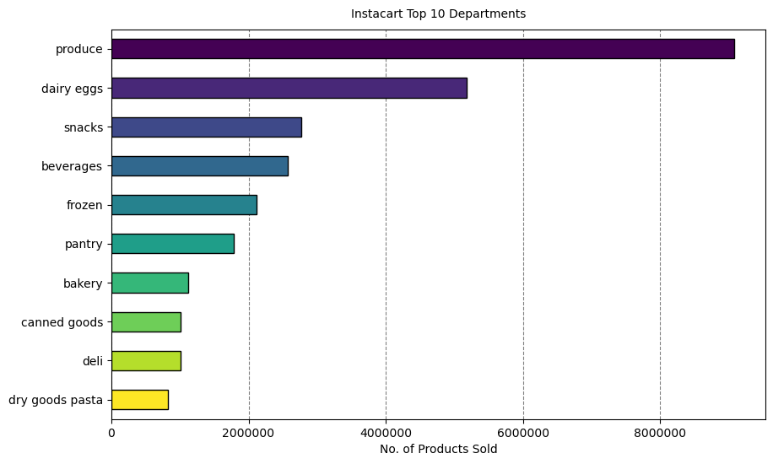

 |  |  |  |  |  |  | The Bar chart shows that the most popular products are from Produce followd by the dairyeggs, snacks, beverages and frozen. The products frrom produce are having highest frequency of product orders.

4 | What’s the distribution among users in regards to their brand loyalty (i.e., how often do they return to Instacart)?

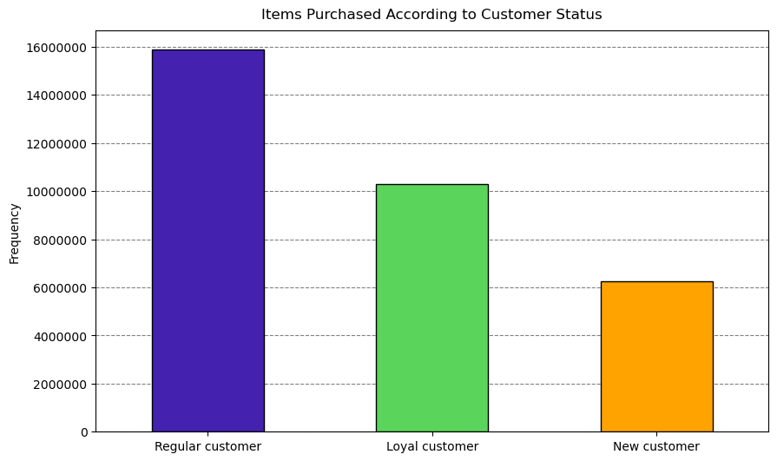
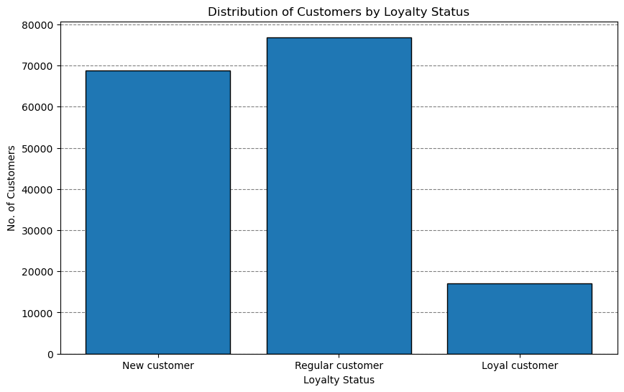

 |  |  |  |  | Legend
 |  |  |  |  | Color | Type of Customer
 |  |  |  |  | Green | Regular
 |  |  |  |  | Blue | Loyal
 |  |  |  |  | Yellow | New

5 | Are there differences in ordering habits based on a customer’s loyalty status?

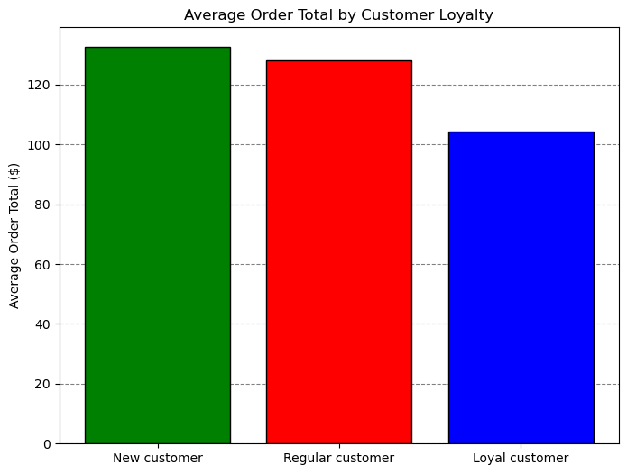
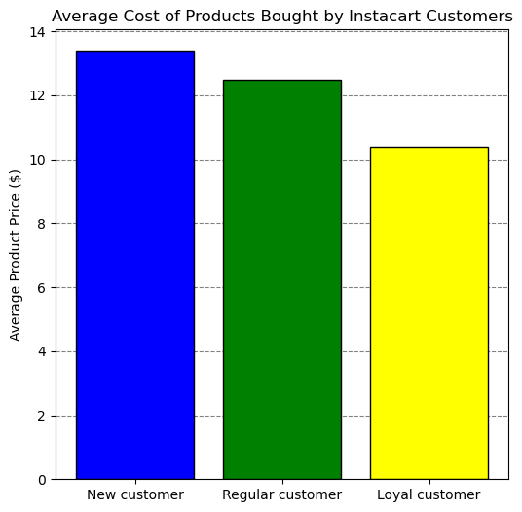

 |  |  |  |  | From the Bar plots we can see that the average order total and average cost of products bought by instacart customers doesnot differ much. So, the orderiing habits are not based on the loyalty status. Maybe further analysis or more information is required to know about the customer's behaviour.

6 | Are there differences in ordering habits based on a customer’s region?

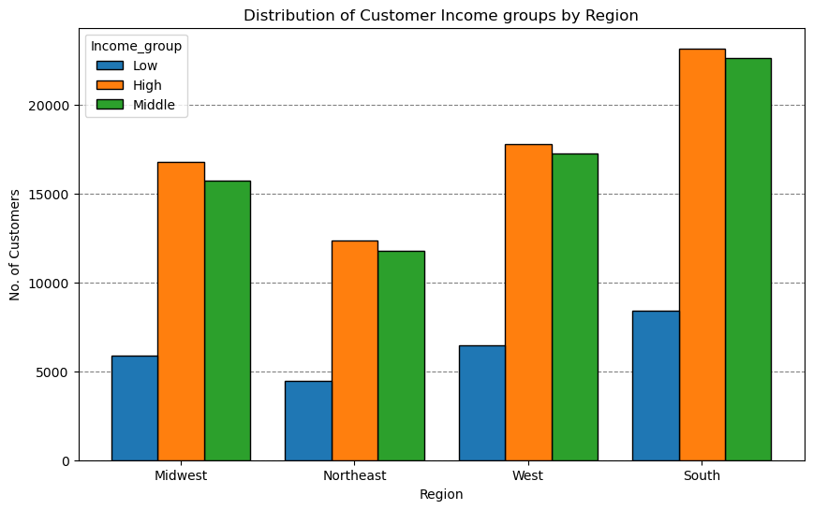
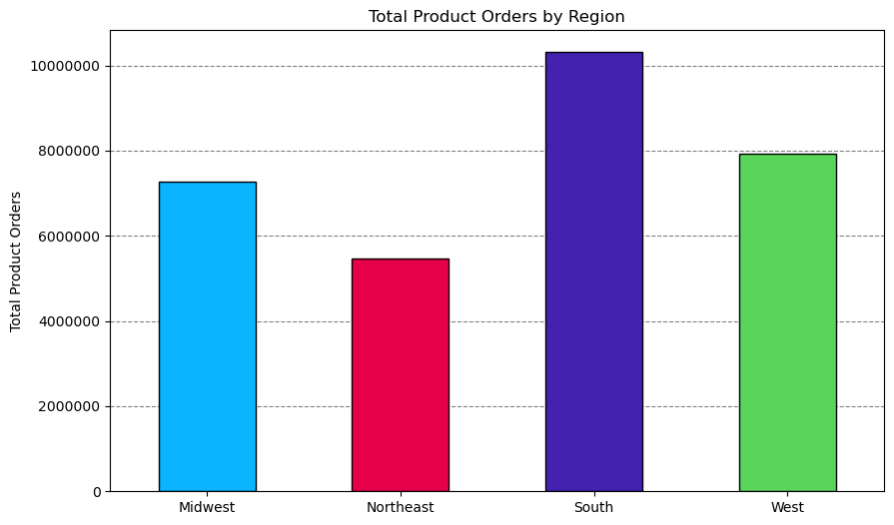

 |  |  |  |  |  | The graphs here shows that the southern states has more customers for instacart. When it comes to the purrcahsing behaviour, the customers with high income groups purchase more from instacart as compared to low income groups.

7 | Is there a connection between age and family status in terms of ordering habits?

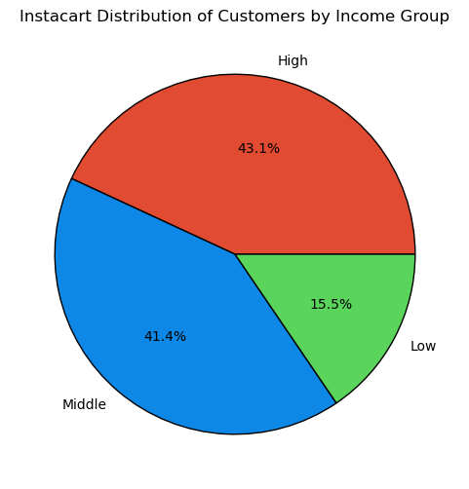
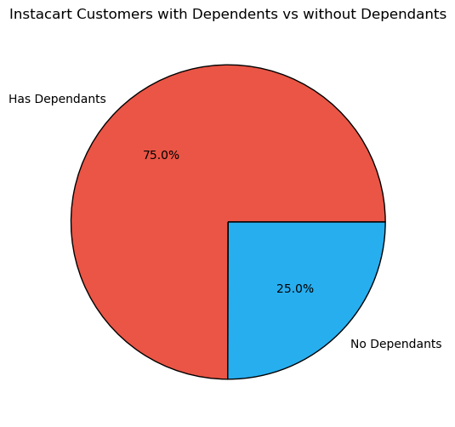
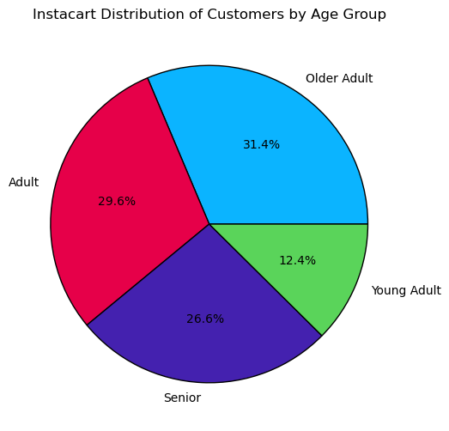

 | The different pie-charts here shows the different groups of instacart customers based on 3 catogories age, income, dependants. Age: Age group is divided into different categories based on the stages of their life like Young adult, adult, older adult, senior. Income: The income groups were based on distributions of household incomes in the U.S. during 2022 . Most of instacart's customers fit into the high and middle income categories. Dependants: : This category is based on whether a customer has a dependent(s) . Mostcustomers have a dependent(s) (75%).

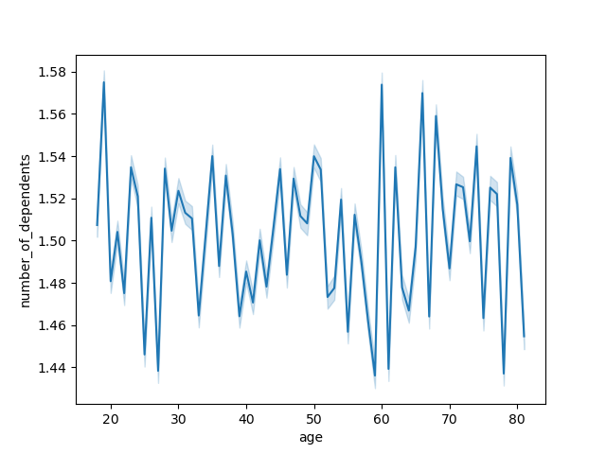

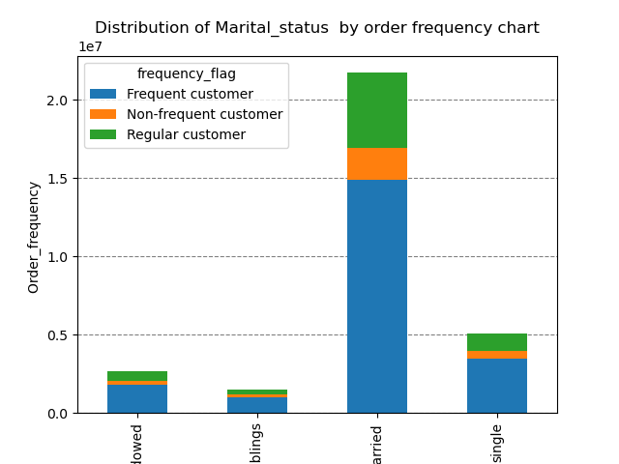

 |  | There exists a positive correlation between the age and the income. As you become older, the more you earn. The scatter plot here shows the correlation between the age and income. There is a large concetration of customers across all ages that earns up to 200,000 (USD) and customers who are 40 years and older are earning up to 600,000 (USD). So, customers who are 40 years and older might spend more because of their higher income. |  |  |  |  |  |  | There doesnot exists any correlation between the age and the number of dependants.
 |  |  |  |  | Most of Instacart frequent, non-frequent, and regular customers are married. It is followed by single people, divorced/widowed people and lastly people who live with their parents and siblings.

8 What differences can you find in ordering habits of different customer profiles? consider the price of orders, frequency of orders, products customers are ordering, and anything else you can think of.

 | INCOME |  |  | AGE GROUP |  |  |  | FAMILY STATUS AND DEPENDANTS |  |  | REGION CROSS

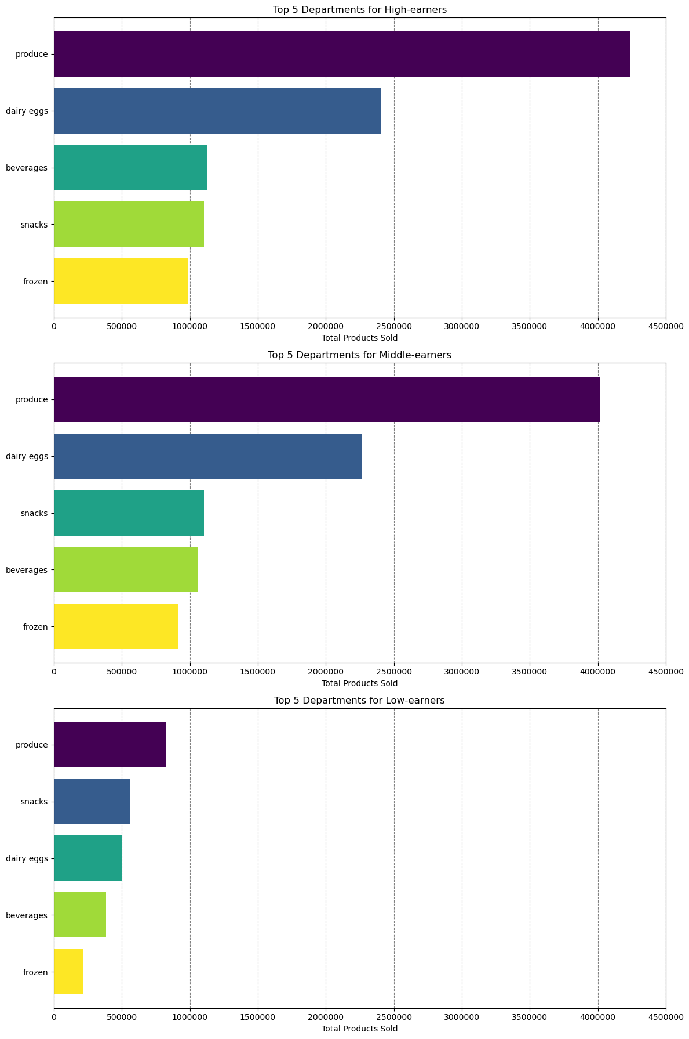
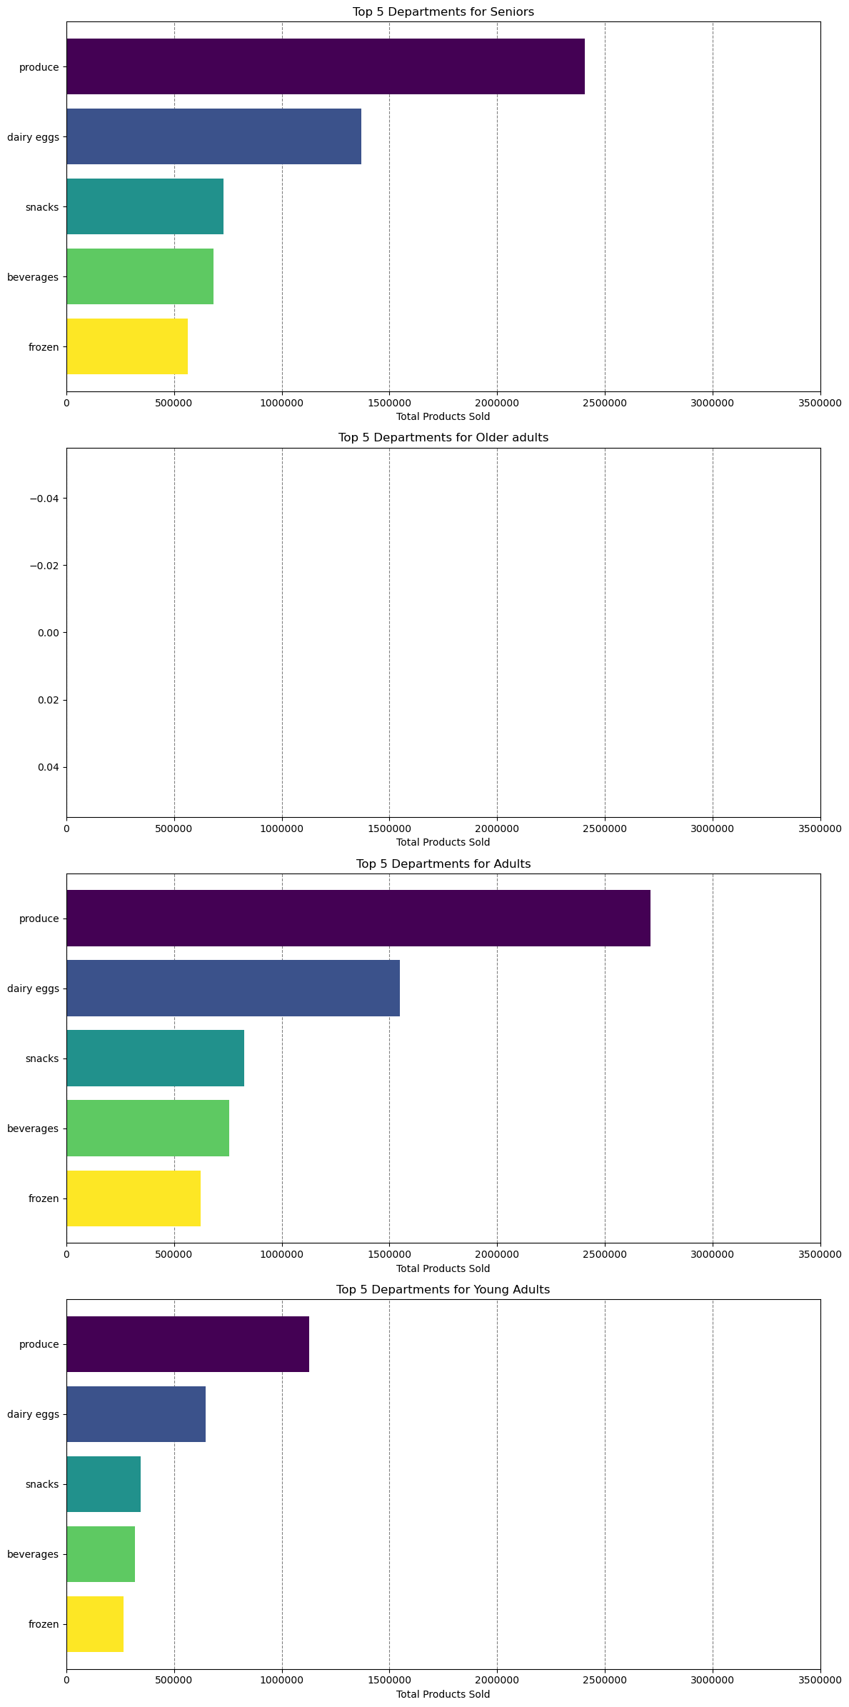
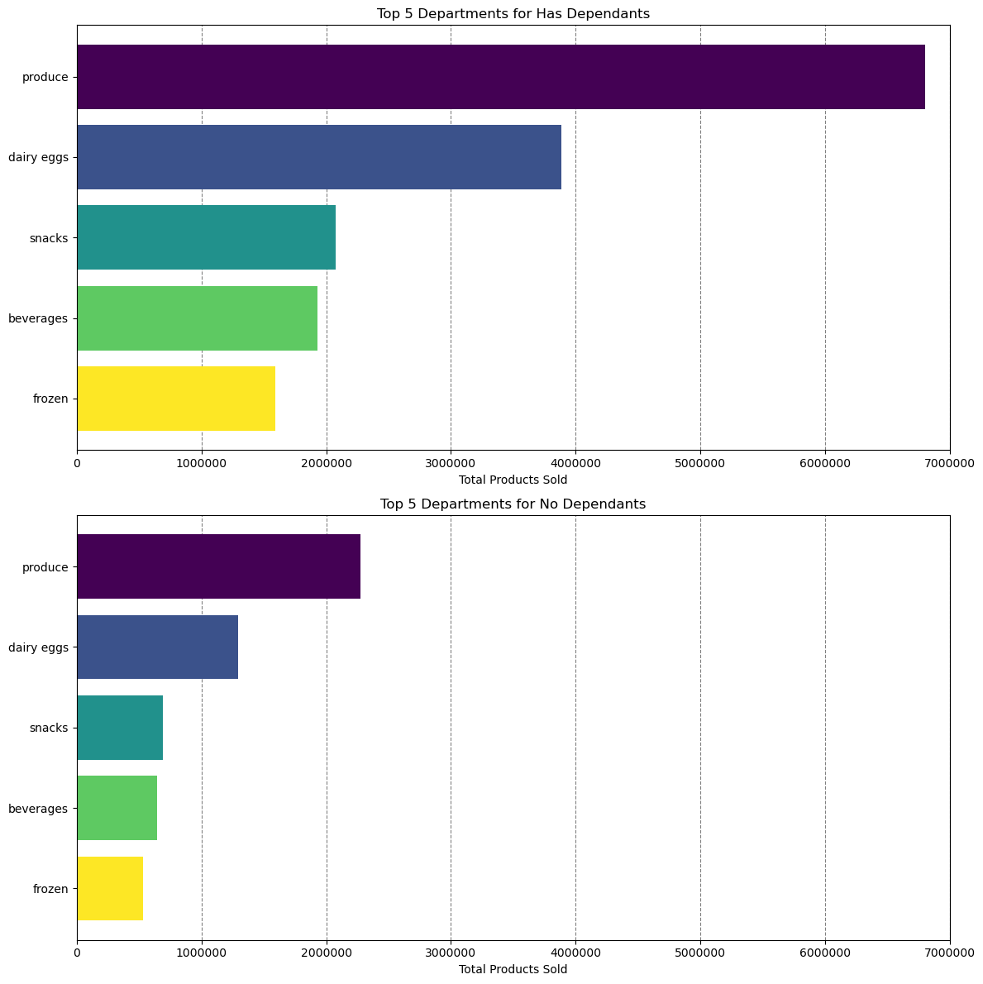
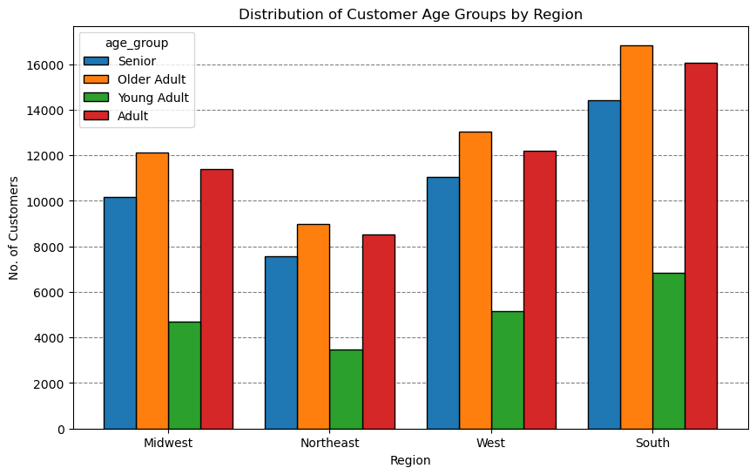

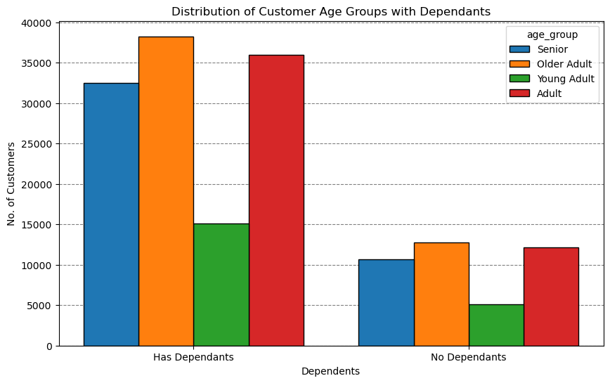

 |  | Product Preferences: Produce is the most purchased category across all income groups, indicating a common preference for fresh products. Dairy & Eggs is the second most popular among high and middle earners, while it is third for low earners. Snacks are more popular among low earners compared to beverages. Beverages and Frozen goods are consistently in the top five for all groups.

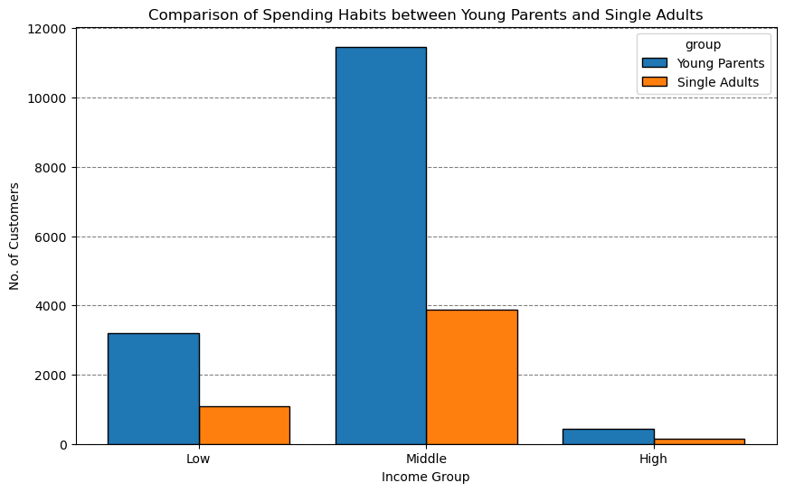

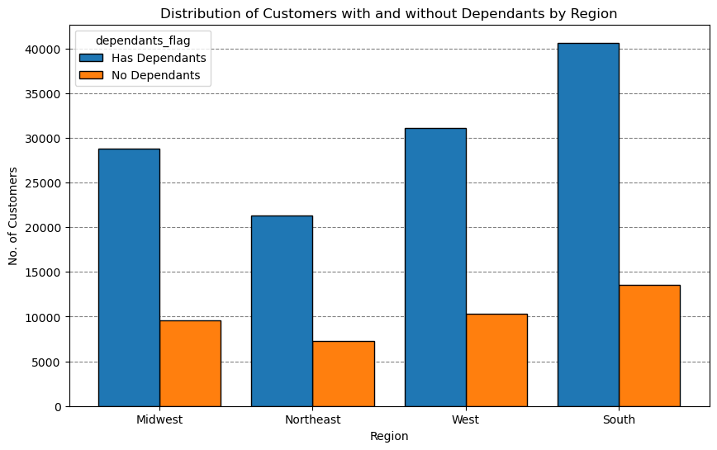

 |  |  |  | The younger age groups tend to spend less compared to older age groups. This is because of the income. Younger age groups earns lesser than the older age groups. Thus, resulting in spending less. Order Amount: High-income earners spend significantly more per order compared to middle and low-income earners. There is a substantial drop in average order amount from high-income to middle-income and again from middle-income to low-income groups.
 |  |  |  |  |  |  |  |  |  | The graph displays the family with dependants tend to spend more than the family with no dependants. Thus the families with dependants are the customers of instacart.

 |  |  |  |  |  |  |  |  |  |  |  | The South regions has more number of instacart customers. Instacart receives more orders from south followed by west, midwest and northeast. Moreover, the south region shows more number of adult population, who are the regular customers for instacart.

7. Recommendations
 |  |  | Title page

Recommendations

 | Question | Answer
1 | What days of the week and hours of the day are busiest? | The analysis shows that the most busiest days are sundays and saturdays during late morning hours till evenings. That ismostly between 9am to 6pm. The least busiest days are wednesdays. If the instacart team works on promoting some offers on wednesdays would improve the business on this day too.
2 | What times of the day do people spend the most money? | People spend most money during morning hours. Especially at 9 am. Therefore, instacart has to pubish special offers and ads during this time.
3 | Are there certain types of products that are more popular than others? | From the analysis made, the most sold top 5 products are produce, dairy and eggs, snacks, beverages and frozen foods. During the morning hours, the people are busy with the work life and tend to purchase snacks, dairy and eggs and some beverages to the work place. So, if instacart focuses more on bringing wide variety of products from these categories would improve the sales.
4 | What's the distribution amoung users in regards to their brand loyalty? | There are more regular customers than loyal customers. Instacart should provide some incentives to regular customers and incentivize the loyal customers to encourage them in buying and changing them as regular customers.
5 | Are there differences in ordering habits based on a customer's loyalty status? | Customers who are adults with average income range are the most frequent customers of instacart. So, instacart should focus on adverisements which would attract the young adults with low income group. Instacart should also research about the likes and choices of the young adults.
6 | Are there differences in ordering habits based on a customer's region? | Most of the instacart customers are from the South region followed by the West and then followed by Mid-west and lastly by Northeast. In all the regions the most of the cutomers buy the mid-range products then follows the low-range and high-range products. So, the instacart should focus mostly mid-west and north-east regions to improve the sales according to the customer preferences.
7 | Is there a connection between age and family status in terms of ordering habits? | There is not a specific connection between age and family status in terms of ordering habits. Most of Instacart frequent, non-frequent, and regular customers are married. It is followed by single people, divorced/widowed people and lastly people who live with their parents and sibillings. However, there is a positive correlation between age and income. As the older you become, the more income you'll earn. The scatterplot shows the relationship between between age and spending power (income) of instacart customers. Based on the scatterplot, there is a large concetration of customers across all ages that earns up to 200,000 (USD) and customers who are 40 years and older are earning up to 600,000 (USD). So, customers who are 40 years and older might spend more because of their higher income. There is no correlation betweem age and the number of dependents. Seniors are the next group of frequent customers. Therefore, Instacart should offer Senior citizens special promotions in order to increase the ordering habits of Senior citizens. Also, offering special prices on bundles of products that young adults are interested in will increase young adults' activities as well.
8 | What differrences you can find in the ordering habits of differrent customer profiles? Consider the price of orderrs, frequency of orders, products customers are ordering & anything else you can think of. | From the analysis we can see that the middle income groups and high income groups shows the similar type of spending behaviour including the average order total, order frequency, and product preferences. In contrast, low-income earners spend significantly less per order and shop slightly less frequently. Produce department products stands high for the middle and high income groups whereas snacks are the high priority for the low-income groups. I think this may due to the different shopping priorities and most of the low income groups are from the young age groups and they tend to buy more of the snacks.

